ZR.000636
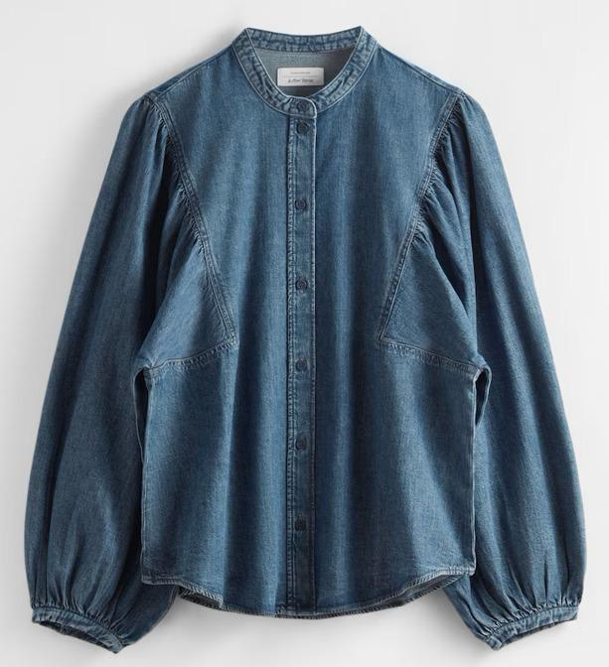
dcr
DATE | 2025-05-11 |  |  | WASH.CODE |  | ZR-000636
FINISHER:CODE |  |  |  |  |  | DRYPROCESS.AND WET PROCES
MODEL:CODE | ZW0035NC
SAP CODE | 6000766
FABRIC:CODE | ISK.S59448
QUANTITY | 1 PCS
ROLL:CODE | ROLL:57144
FAB. WEIGHT
UNITS
TYPE MACHINE
DRYING TIME (Min.) : | MID
COMMENTS:
MR.ERDEM | MID |  |  | WASH:SUPERVISOR:HOSSAM
FREE DEVELOPMENT | E | of | 1 |  |  |  | Supplier | PH Value
ACTION | TIME | TEMP | Liters | AMT | UNITS | Chemicals
 | WASH ASPER TARGET FOTO
DESIZE |  | 50 |  |  | GRM | LAVA SPERSE
 |  |  |  |  | GRM | ROLUX LSA
RINSE X3 |  |  |  |  | GRM | LUBRICANT

COMBO ENZYM |  | 45 |  | 2 | GRM | ROYA ENZYMES
 |  |  |  | 10 | K/G | OLD STONE
RINSE | 2 | RT

BLEACH |  | RT |  |  | GRM | COSTIC SODA
 |  |  |  |  | K/G | HYPO

NEUTRALIZATION | 5 | RT |  |  | K/G | PEROXIDE
RINSE X2
RINSE | 2 | RT

CLEAN UP |  | 50 |  |  | K/G | PEROXIDE
 |  |  |  |  | GRM | NEAR CAND OP EXTRA
RINSE | 2 | RT

BIOPOLISHING |  | 55 |  |  | GRM | LAVA CELL BNG
 |  |  |  |  | GRM | A.ACID. PH/55
RINSE | 2 | RT

WASH SOFT |  | RT |  |  | K/G | ANTI OZON SOFT
EXTRACT&DRY |  |  |  |  | GRM | A.ACID. PH/5

